Inventory, Stock & Valuation Re
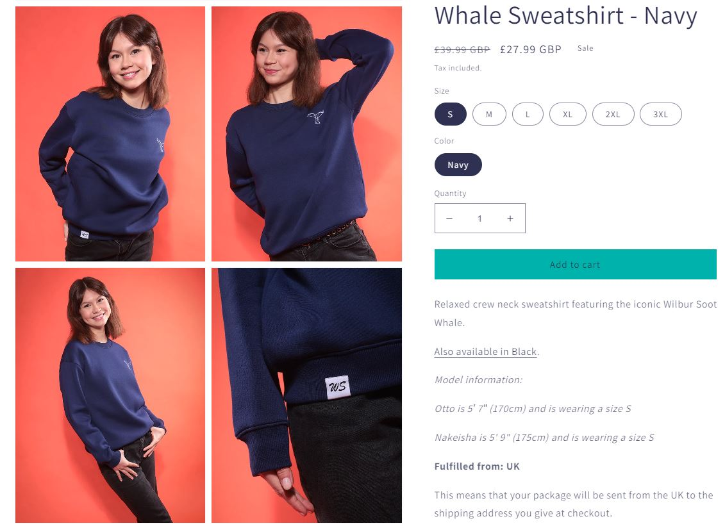
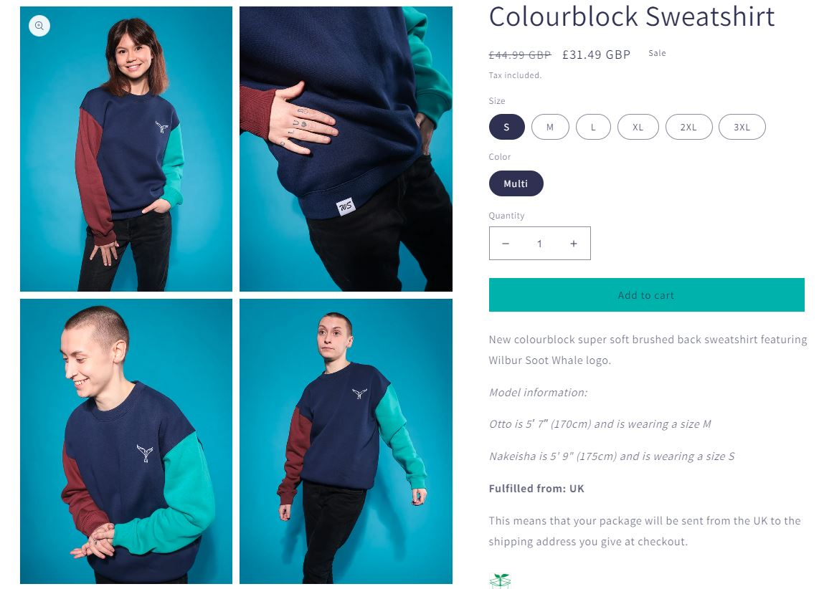
SKU | Name | EAN - Barcode | Stock Level | RRP | Line RRP
WIL-100047060402 | Black Whale Sweatshirt Black / S | 100047060402 | 325 | £39.99 | £12,996.75
WIL-100047060403 | Black Whale Sweatshirt Black / M | 100047060403 | 819 | £39.99 | £32,751.81
WIL-100047060404 | Black Whale Sweatshirt Black / L | 100047060404 | 769 | £39.99 | £30,752.31
WIL-100047060405 | Black Whale Sweatshirt Black / XL | 100047060405 | 489 | £39.99 | £19,555.11
WIL-100047060406 | Black Whale Sweatshirt Black / 2XL | 100047060406 | 294 | £39.99 | £11,757.06
WIL-100047060407 | Black Whale Sweatshirt Black / 3XL | 100047060407 | 101 | £39.99 | £4,038.99
WIL-100048060202 | Navy Whale Sweatshirt S / Navy | 100048060202 | 316 | £39.99 | £12,636.84
WIL-100048060203 | Navy Whale Sweatshirt M / Navy | 100048060203 | 802 | £39.99 | £32,071.98
WIL-100048060204 | Navy Whale Sweatshirt L / Navy | 100048060204 | 792 | £39.99 | £31,672.08
WIL-100048060205 | Navy Whale Sweatshirt XL / Navy | 100048060205 | 501 | £39.99 | £20,034.99
WIL-100048060206 | Navy Whale Sweatshirt 2XL / Navy | 100048060206 | 321 | £39.99 | £12,836.79
WIL-100048060207 | Navy Whale Sweatshirt 3XL / Navy | 100048060207 | 122 | £39.99 | £4,878.78
WIL-20220075-2XL | Long Sleeve Stripe Tee 2XL | 20220075-2XL | 526 | £39.99 | £21,034.74
WIL-20220075-3XL | Long Sleeve Stripe Tee 3XL | 20220075-3XL | 140 | £39.99 | £5,598.60
WIL-20220075-L | Long Sleeve Stripe Tee L | 20220075-L | 1581 | £39.99 | £63,224.19
WIL-20220075-M | Long Sleeve Stripe Tee M | 20220075-M | 1701 | £39.99 | £68,022.99
WIL-20220075-S | Long Sleeve Stripe Tee S | 20220075-S | 868 | £39.99 | £34,711.32
WIL-20220075-XL | Long Sleeve Stripe Tee XL | 20220075-XL | 1028 | £39.99 | £41,109.72
WIL-20220076-2XL | Colourblock Sweatshirt 2XL / Multi | 20220076-2XL | 259 | £44.99 | £11,652.41
WIL-20220076-L | Colourblock Sweatshirt L / Multi | 20220076-L | 787 | £44.99 | £35,407.13
WIL-20220076-M | Colourblock Sweatshirt M / Multi | 20220076-M | 627 | £44.99 | £28,208.73
WIL-20220076-S | Colourblock Sweatshirt S / Multi | 20220076-S | 344 | £44.99 | £15,476.56
WIL-20220076-XL | Colourblock Sweatshirt XL / Multi | 20220076-XL | 529 | £44.99 | £23,799.71
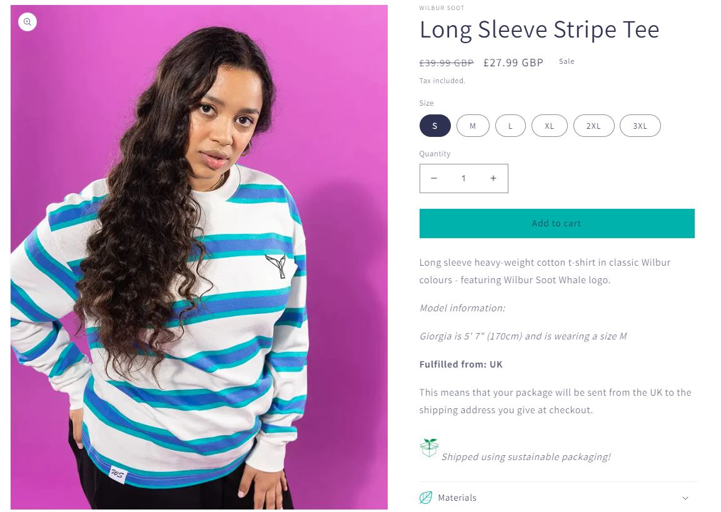
 |  |  | 14041 |  | £574,229.59

